Blad1
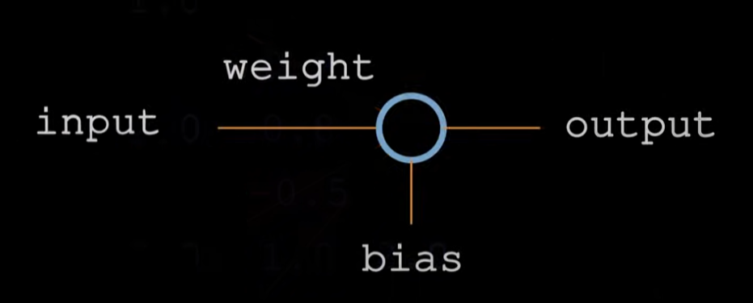
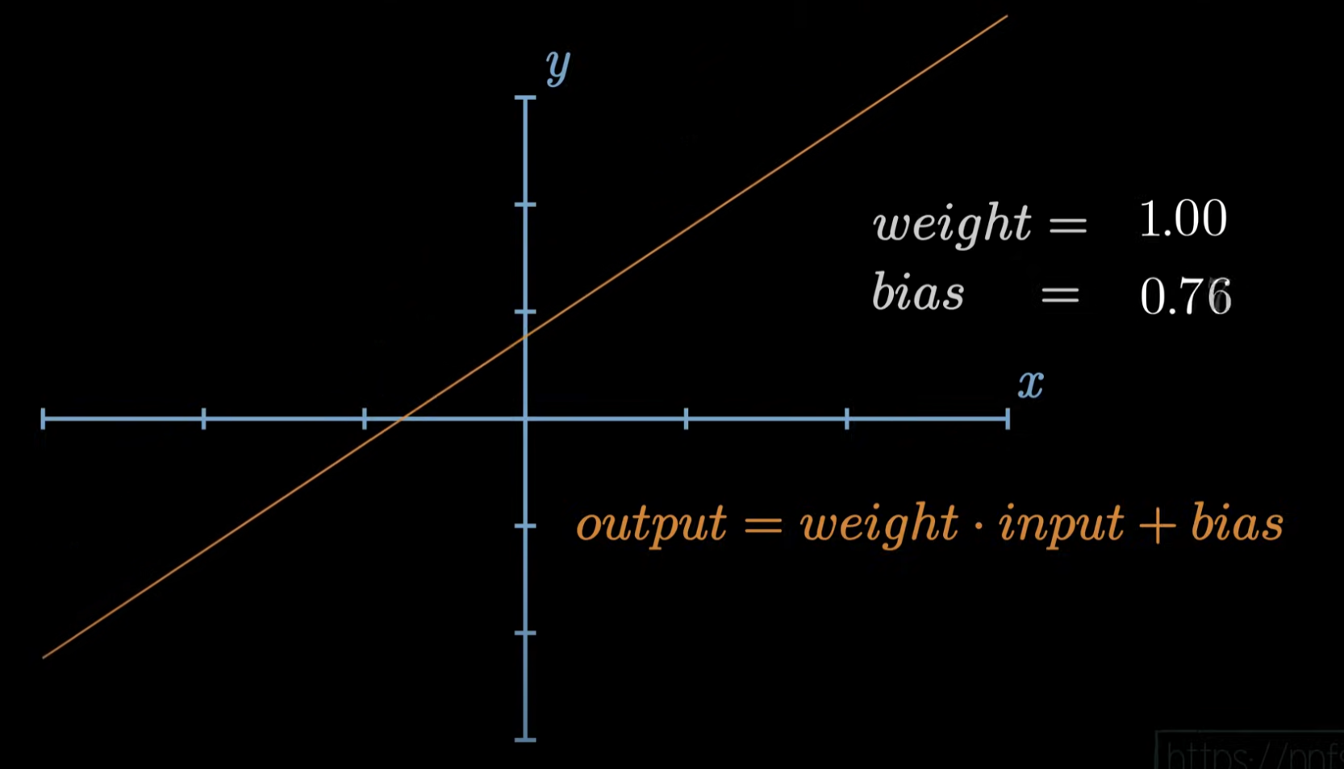
Sentdex Building neural networks from scratch in Python |  |  |  |  |  | P_2

 | inputs | 1 | weights 1 | 0.2 | bias 1 | 2 | 0.2 | output1 | 4.8
 |  | 2 |  | 0.8 |  |  | 1.6
 |  | 3 |  | -0.5 |  |  | -1.5
 |  | 2.5 |  | 1 |  |  | 2.5

 | inputs | 1 | weights 2 | 0.5 | bias 2 | 2 | 0.5 | output2 | 0.21
 |  | 2 |  | -0.91 |  |  | -1.82
 |  | 3 |  | 0.26 |  |  | 0.78
 |  | 2.5 |  | -0.5 |  |  | -1.25

 | inputs | 1 | weights 3 | -0.26 | bias 3 | 2 | -0.26 | output3 | 3.885
 |  | 2 |  | -0.27 |  |  | -0.54
 |  | 3 |  | 0.17 |  |  | 0.51
 |  | 2.5 |  | 0.87 |  |  | 2.175

 | output = (weight * input) + bias

